grain size analysis
before the flood (2009)
after the flood (2009)
mean
percent passing(%)
particle size (mm)
before the flood (2010)_sand
after the flood (2010)_sand
mean
percent passing(%)
particle size (mm)
before the flood (2010)_gravels
after the flood (2010)_gravels
mean
percent passing(%)
particle size (mm)
* grain-size distribution of bed material (2010) _ Grab sampler(60L) / grid sampling(Hack_1947)
particle size time | D35(mm) | D50(mm) | D65(mm) | D90(mm) | 균등계수 Coefficient of uniformity (Cu) | 곡률계수 Coefficient of curvature (Cg)
평군 (mean) |  | 15.63 | 17.16 | 19.20 | 39.63 | 0.31

before the flood (2011)
after the flood (2011)
mean
percent passing(%)
particle size (mm)
* grain-size distribution of bed material (2011) _ grid sampling(Hack_1947)
particle size time | D35(mm) | D50(mm) | D65(mm) | D90(mm) | 균등계수 Coefficient of uniformity (Cu) | 곡률계수 Coefficient of curvature (Cg)
평군 (mean) | 54.41 | 56.61 | 58.77 | 69.47 | 1.14 | 0.98

* grain-size distribution of bed material (2012) _ grid sampling(Hack_1947)

* particle size distribution of suspended sediment (2012) |  |  |  |  |  |  |  |  |  | * grain-size distribution of bed material (2012)

No | particle size distribution of suspended sediment (%) |  |  |  |  |  |  |  |  | particle size time | D10 | D30 | D35 | D60 | D65 | 균등계수 Coefficient of uniformity (Cu) | 곡률계수 Coefficient of curvature (Cg)
 | range (mm) |  |  |  |  |  |  |  | sum | 홍수전 (before the flood) | 0.41 | 0.89 | 1.02 | 5.66 | 7.12 | 6.36 | 0.34
 | 0.0020~ | 0.0222~ | 0.0313~ | 0.0423~ | 0.0626~ | 0.1251~ | 0.2501~ | 0.5001~ |  | 홍수후(after the flood ) | 0.31 | 0.81 | 0.93 | 6.73 | 7.95 | 8.36 | 0.32
 | 0.0221 | 0.0312 | 0.0422 | 0.0625 | 0.125 | 0.25 | 0.5 | 1 |  | 평균 (mean) | 0.35 | 0.85 | 0.98 | 6.15 | 7.56 | 7.20 | 0.34
1 | 50.6 | 26.2 | 16.7 | 3.9 | 2.5 | 0.1 | 0 | 0 | 100 | particle size time | D5 | D10 | D15 | D20 | D25 | D30 | D35 | D40 | D45 | D50 | D55 | D60 | D65 | D70 | D75 | D80 | D85 | D90 | D95 | D100
2 | 52.9 | 19 | 21.8 | 4 | 2.3 | 0 | 0 | 0 | 100 | 홍수전 (before the flood) | 0.22 | 0.41 | 0.54 | 0.67 | 0.78 | 0.89 | 1.02 | 1.46 | 2.05 | 2.98 | 3.90 | 5.66 | 7.12 | 8.29 | 9.76 | 11.12 | 12.49 | 13.66 | 14.73 | 16.00
3 | 44.8 | 20.5 | 24 | 6.4 | 3 | 0.1 | 1.2 | 0 | 100 | 홍수후 (after the flood ) | 0.20 | 0.31 | 0.43 | 0.54 | 0.67 | 0.81 | 0.93 | 1.22 | 1.81 | 2.83 | 4.00 | 6.73 | 7.95 | 9.46 | 10.54 | 11.80 | 12.98 | 14.05 | 14.93 | 16.00
4 | 50.5 | 26.3 | 16.6 | 3.9 | 2.6 | 0.1 | 0 | 0 | 100 | 평균 (mean) | 0.21 | 0.35 | 0.48 | 0.61 | 0.73 | 0.85 | 0.98 | 1.34 | 1.93 | 2.93 | 3.95 | 6.15 | 7.56 | 8.98 | 10.15 | 11.51 | 12.68 | 13.85 | 14.83 | 16.00
5 | 49.4 | 15.2 | 20.9 | 8.9 | 5.4 | 0.2 | 0 | 0 | 100
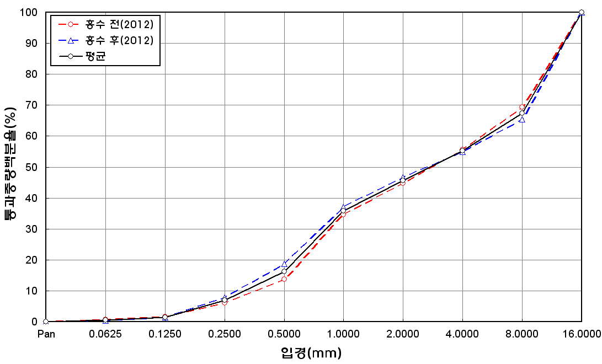
before the flood (2012)
after the flood (2012)
mean
percent passing(%)
particle size (mm)
6 | 48.2 | 19.5 | 22 | 6.1 | 4.1 | 0 | 0.1 | 0 | 100
7 | 48.9 | 16.6 | 23.9 | 7 | 3.5 | 0 | 0.1 | 0 | 100
8 | 49.9 | 15.1 | 22.8 | 7.8 | 4.2 | 0.1 | 0.1 | 0 | 100
9 | 45.5 | 20.5 | 23.1 | 6.8 | 4 | 0.1 | 0 | 0 | 100
10 | 48 | 16.3 | 21.5 | 9 | 5.2 | 0 | 0 | 0 | 100
11 | 52.5 | 15.5 | 21.8 | 7.6 | 2.5 | 0.1 | 0 | 0 | 100
12 | 53.9 | 9.7 | 21.1 | 8 | 7.2 | 0.1 | 0 | 0 | 100
13 | 47.4 | 16.1 | 21.7 | 9.4 | 5.3 | 0.1 | 0 | 0 | 100
14 | 50.8 | 15.9 | 21.6 | 7.8 | 3.8 | 0.1 | 0 | 0 | 100
15 | 46.1 | 15.9 | 24.6 | 10.3 | 2.9 | 0.1 | 0.1 | 0 | 100
16 | 50.6 | 19.1 | 23.4 | 6.3 | 0.6 | 0 | 0 | 0 | 100
17 | 45.9 | 17.1 | 24.7 | 10.3 | 1.8 | 0.1 | 0.1 | 0 | 100
18 | 49.2 | 14.8 | 23.4 | 9.1 | 3.5 | 0 | 0 | 0 | 100
19 | 49.6 | 13.2 | 25.2 | 8.6 | 3.3 | 0.1 | 0 | 0 | 100
20 | 49.3 | 16 | 25.8 | 6.8 | 2.1 | 0 | 0 | 0 | 100
min | 44.8 | 9.7 | 16.6 | 3.9 | 0.6 | 0 | 0 | 0 | -
max | 53.9 | 26.3 | 25.8 | 10.3 | 7.2 | 0.2 | 1.2 | 0 | -
mean | 49.2 | 17.4 | 22.3 | 7.4 | 3.5 | 0.1 | 0.1 | 0 | 100

